TX2 Pinmux
WeAct-TX1/2_CB A2 Pinmux

Carrier Board Function(载板) |  |  |  | SOM Connector（核心板）
Signal Name | Position |  | Level | Signal Name | Pin
HDMI
HDMI_TXC_P | 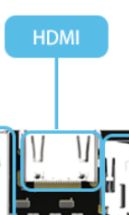 |  | / | HDMI0_TXC | H36
HDMI_TXC_N |  |  | / | HDMI0_TXC | H35
HDMI_TX0_P |  |  | / | HDMI0_TX0 | G37
HDMI_TX0_N |  |  | / | HDMI0_TX0 | G36
HDMI_TX1_P |  |  | / | HDMI0_TX1 | F38
HDMI_TX1_N |  |  | / | HDMI0_TX1 | F37
HDMI_TX2_P |  |  | / | HDMI0_TX2 | H39
HDMI_TX2_N |  |  | / | HDMI0_TX2 | H38
HDMI_DDC_SCL |  |  | / | DP0_AUX_CH | B35
HDMI_DDC_SDA |  |  | / | DP0_AUX_CH | B34
HDMI_HPD |  |  | / | DP0_HPD | B36
HDMI_CEC |  |  | / | HDMI_CEC | B33
GigaEnternet
GBE_MDI0_P | 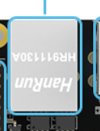 |  | / | GBE_MDI0 | E48
GBE_MDI0_N |  |  | / | GBE_MDI0 | E49
GBE_MDI1_P |  |  | / | GBE_MDI1 | F47
GBE_MDI1_N |  |  | / | GBE_MDI1 | F48
GBE_MDI2_P |  |  | / | GBE_MDI2 | G48
GBE_MDI2_N |  |  | / | GBE_MDI2 | G49
GBE_MDI3_P |  |  | / | GBE_MDI3 | H47
GBE_MDI3_N |  |  | / | GBE_MDI3 | H48
GBE_LINK_ACT |  |  | / | GBE_LINK_ACT | E47
GBE_LINK1000 |  |  | / | GBE_LINK1000 | F46
USB3.0
USB0_SS_RXP | 下层USB | 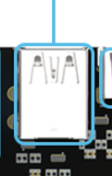 | / | USB0_SS_RX | F43
USB0_SS_RXN |  |  | / | USB0_SS_RX | F44
USB0_SS_TXP |  |  | / | USB0_SS_TX | C43
USB0_SS_TXN |  |  | / | USB0_SS_TX | C44
USB1_DP |  |  | / | USB1_D | A38
USB1_DN |  |  | / | USB1_D | A39
USB1_VBUS_EN |  |  | / | USB1_EN_OC | A18
USB1_SS_RXP | 上层USB |  | / | USB1_SS_RX | G42
USB1_SS_RXN |  |  | / | USB1_SS_RX | G43
USB1_SS_TXP |  |  | / | USB1_SS_TX | D42
USB1_SS_TXN |  |  | / | USB1_SS_TX | D43
USB2_DP |  |  | / | USB2_D | B42
USB2_DN |  |  | / | USB2_D | B43
USB OTG（Type C）
USB0_VBUS |  |  | / | USB0_VBUS_DET | B37
USB0_VBUS_EN |  |  | / | USB0_EN_OC | A17
USB0_DP |  |  | / | USB0_D | B39
USB0_DN |  |  | / | USB0_D | B40
SDCARD
SDCARD_D0 | 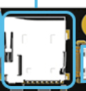 |  | / | SDCARD_D0 | H18
SDCARD_D1 |  |  | / | SDCARD_D1 | H17
SDCARD_D2 |  |  | / | SDCARD_D2 | F19
SDCARD_D3 |  |  | / | SDCARD_D3 | F18
SDCARD_CMD |  |  | / | SDCARD_CMD | G19
SDCARD_CLK |  |  | / | SDCARD_CLK | G18
SDCARD_CD |  |  | / | SDCARD_CD | F17
SDCARD_WP |  |  | / | SDCARD_WP | F20
SDCARD_PWR_EN |  |  | / | SDCARD_PWR_EN | H16
CAN |  |  |  |  |  | 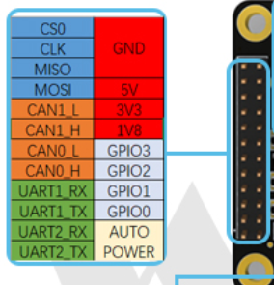
CAN0_RX | 排针，看右侧示意图 |  | 3V3 | CAN0_RX | D18
CAN0_TX |  |  | 3V3 | CAN0_TX | D19
CAN1_RX | 排针，看右侧示意图 |  | 3V3 | CAN1_RX | C18
CAN1_TX |  |  | 3V3 | CAN1_TX | C19
UART
UART1_TX | 排针，看右侧示意图 |  | 3V3 | UART1_TX | D9
UART1_RX |  |  | 3V3 | UART1_RX | D10
UART2_TX |  |  | 3V3 | UART2_TX | B16
UART2_RX |  |  | 3V3 | UART2_RX | B15
SPI
SPI1_CLK | 排针，看右侧示意图 |  | 3V3 | SPI1_CLK | G13
SPI1_MISO |  |  | 3V3 | SPI1_MISO | F14
SPI1_MOSI |  |  | 3V3 | SPI1_MOSI | F13
SPI1_CS0 |  |  | 3V3 | SPI1_CS0 | E14
GPIO
I2C_GP1_SCL | 此GPIO为I2C芯片拓展 GPIO位置看右侧示意图 |  | 3V3 | I2C_GP1_CLK | A21
I2C_GP1_SDA |  |  | 3V3 | I2C_GP1_DAT | A20
AUTO PWR
AUTO POWER | 排针，看右侧示意图 |  |  | CHARGER_PRSNT | A49
FAN Connector
FAN_PWM | PIN1(红点) |  |  | FAN_PWM | C16
FAN_TACH | PIN2 |  |  | FAN_TACH | B17
5V | PIN3 |  |  | / | /
GND | PIN4 |  |  | / | /
P.S:具体IO配置可参考该文件目录下的nv_Jetson-TX2-Series-Pinmux-Template.xlsx

